Sheet1
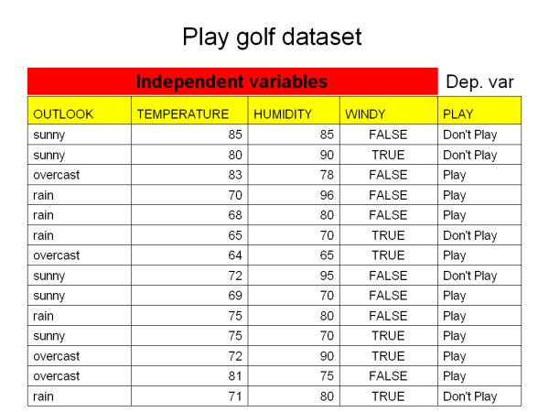
0.54081632653

0.48 | 0.35714285714
0 | 0.28571428571
0.48 | 0.35714285714
 |  |  |  |  |  |  |  |  | 85
 | 0.34285714286 | Temp | Humidity | Outlook | Windy | Play | Don't Play | Play | Threshold
 |  | 85 | 85 | S | FALSE | 0 | 85 | #N/A | 1
 |  | 80 | 90 | S | TRUE | 0 | 80 | #N/A | 0
 |  | 83 | 78 | O | FALSE | 1 | #N/A | 83 | 1
 |  | 70 | 96 | R | FALSE | 1 | #N/A | 70 | 0
 |  | 68 | 80 | R | FALSE | 1 | #N/A | 68 | 1
 |  | 65 | 70 | R | TRUE | 0 | 65 | #N/A | 1
 |  | 64 | 65 | O | TRUE | 1 | #N/A | 64 | 1
 |  | 72 | 95 | S | FALSE | 0 | 72 | #N/A | 0
 |  | 69 | 70 | S | FALSE | 1 | #N/A | 69 | 1
 |  | 75 | 80 | R | FALSE | 1 | #N/A | 75 | 1
 |  | 75 | 70 | S | TRUE | 1 | #N/A | 75 | 1
 |  | 72 | 90 | O | TRUE | 1 | #N/A | 72 | 0
 |  | 81 | 75 | O | FALSE | 1 | #N/A | 81 | 1
 |  | 71 | 80 | R | TRUE | 0 | 71 | #N/A | 1

 |  |  |  | Row Labels | Sum of Play | Count of Play2 |  |  |  | Row Labels | Sum of Play | Count of Play2
 |  |  |  | FALSE | 6 | 8 |  | 0.375 | 0.57142857143 | 0 | 2 | 4 | 0.5 | 0.28571428571
 |  |  |  | TRUE | 3 | 6 |  | 0.5 | 0.42857142857 | 1 | 7 | 10 | 0.42 | 0.71428571429
 |  |  |  | Grand Total | 9 | 14 |  |  | 0.42857142857 | Grand Total | 9 | 14 |  | 0.44285714286

Play golf chart

